iMP
V Kohli | 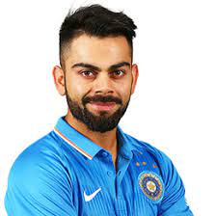 |  | *HH Pandya*
RG Sharma | 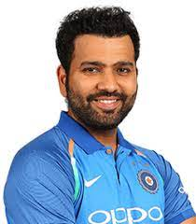 | HH Pandya
Q de Kock | 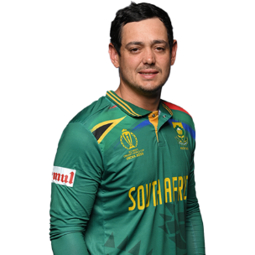
R Ravindra | 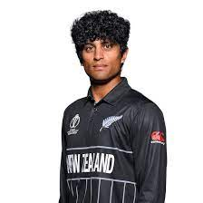
DJ Mitchell | 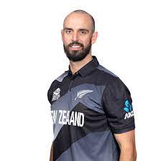
DA Warner | 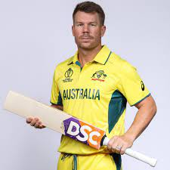
SS Iyer | 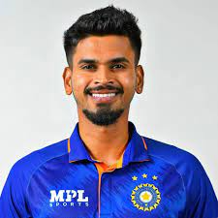
KL Rahul | 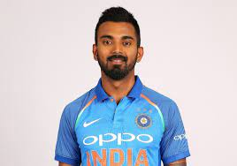
HE van der Dussen | 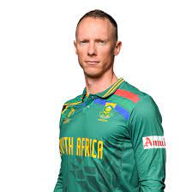
MR Marsh | 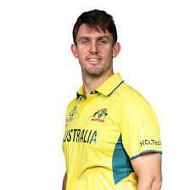
AK Markram | 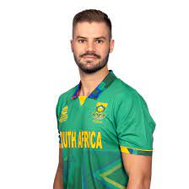
DJ Malan | 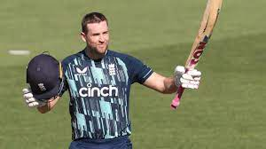
GJ Maxwell | 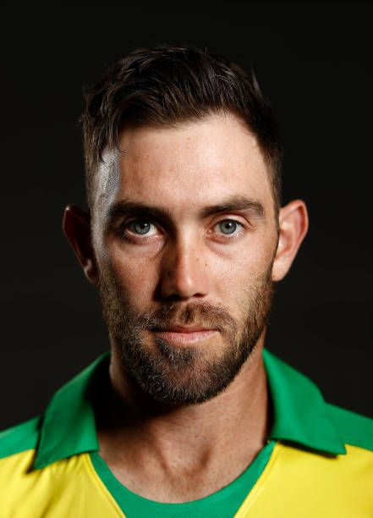
Mohammad Rizwan | 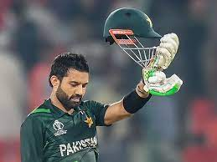
Ibrahim Zadran | 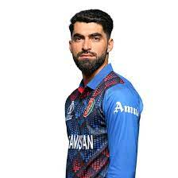
S Samarawickrama | 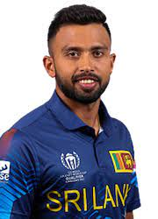
H Klaasen | 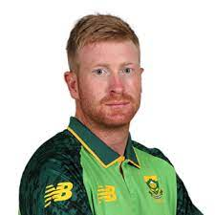
DP Conway | 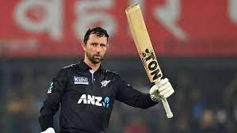
M Labuschagne | 
DA Miller | 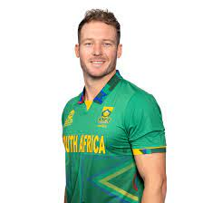
Shubman Gill | 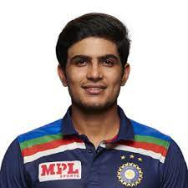
Azmatullah Omarzai | 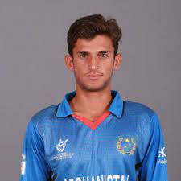
Abdullah Shafique | 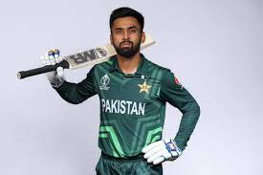
P Nissanka | 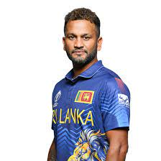
TM Head | 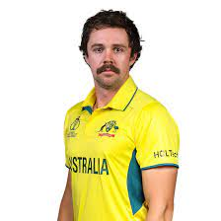
Mahmudullah | 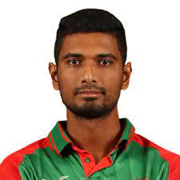
Babar Azam | 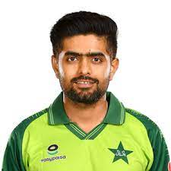
Rahmat Shah | 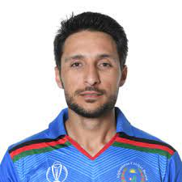
Hashmatullah Shahidi | 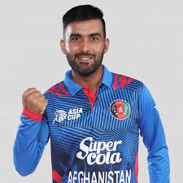
BA Stokes | 
SPD Smith | 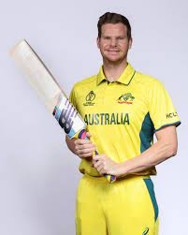
SA Engelbrecht | 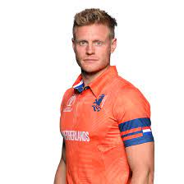
BKG Mendis | 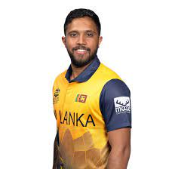
KIC Asalanka | 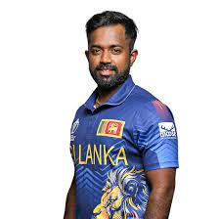
GD Phillips | 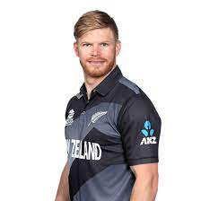
Litton Das | 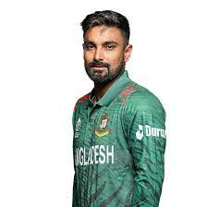
Rahmanullah Gurbaz | 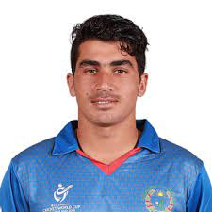
JE Root | 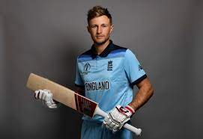
SA Edwards | 
KS Williamson | 
Saud Shakeel | 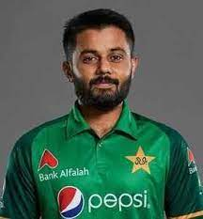
Najmul Hossain Shanto | 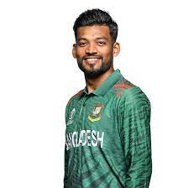
Fakhar Zaman | 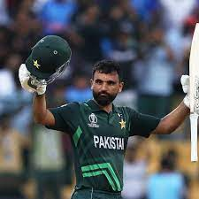
CN Ackermann | 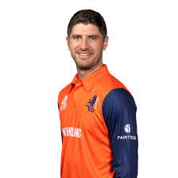
JM Bairstow | 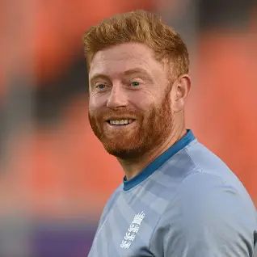
WA Young | 
Mushfiqur Rahim | 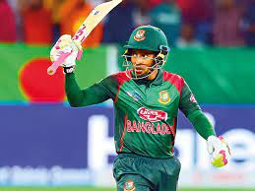
Mehidy Hasan Miraz | 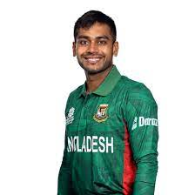
Shakib Al Hasan | 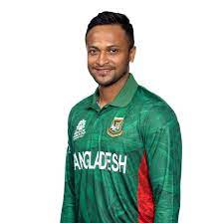
HC Brook | 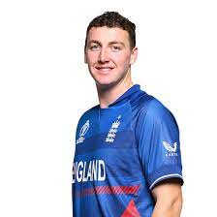
Towhid Hridoy | 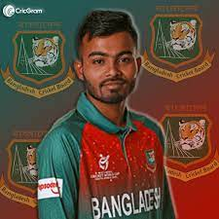
AT Nidamanuru | 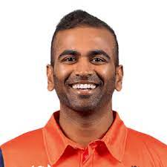
Imam-ul-Haq | 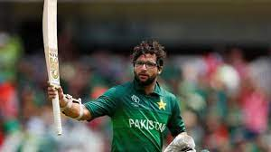
JP Inglis | 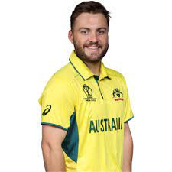
M Jansen | 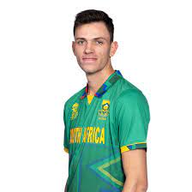
TWM Latham | 
MDKJ Perera | 
T Bavuma | 
Tanzid Hasan | 
Iftikhar Ahmed | 
DM de Silva | 
LV van Beek | 
BFW de Leede | 
JC Buttler | 
MP O'Dowd | 
CR Woakes | 
PJ Cummins | 
Shadab Khan | 
RA Jadeja | 
SA Yadav | 
Rashid Khan | 
MJ Santner | 
M Theekshana | 
Vikramjit Singh | 
RR Hendricks | 
MM Ali | 
AU Rashid | 
Ikram Alikhil | 
MP Stoinis | 
MA Starc | 
MA Wood | 
MS Chapman | 
W Barresi | 
Mohammad Nawaz | 
MD Shanaka | 
DJ Willey | 
A Dutt | 
RE van der Merwe | 
C Green | 
LS Livingstone | 
KA Maharaj | 
JDS Neesham | 
Mohammad Nabi | 
Shaheen Shah Afridi | 
G Coetzee | 
Haris Rauf | 
CAK Rajitha | 
Agha Salman | 
AD Mathews | 
Mujeeb Ur Rahman | 
Taskin Ahmed | 
A Zampa | 
Ishan Kishan | 
Mustafizur Rahman | 
Nasum Ahmed | 
AL Phehlukwayo | 
AAP Atkinson | 
SM Curran | 
Mahedi Hasan | 
D Madushanka | 
Shoriful Islam | 
Noor Ahmad | 
PA van Meekeren | 
K Rabada | 
Mohammad Wasim | 
TA Boult | 
Hasan Ali | 
Kuldeep Yadav | 
MJ Henry | 
JJ Bumrah | 
TG Southee | 
RJW Topley | 
Naveen-ul-Haq | 
Hasan Mahmud | 
FDM Karunaratne | 
Saqib Zulfiqar | 
DN Wellalage | 
HH Pandya | 
L Ngidi | 
Mohammed Shami | 
Mohammed Siraj | 
T Shamsi | 
R Klein | 
C Karunaratne | 
Najibullah Zadran | 
LH Ferguson | 
Shariz Ahmad | 
M Pathirana | 
PVD Chameera | 
Tanzim Hasan Sakib | 
CBRLS Kumara | 
MADI Hemantha | 
JR Hazlewood | 
Fazalhaq Farooqi | 
AT Carey | 
Usama Mir | 

ROUGH
 |  |  |  |  |  |  | CRICKET WORLD CUP 23 BATTING DASHBOARD |  |  |  |  | RUNS SCORED
Row Labels | Sum of Runs | Sum of 50 | Sum of 100 | Sum of Ave | Sum of 6s | Sum of 4s | PLAYER NAME
HH Pandya | 11 | 0 | 0 | 0 | 1 | 0 | HH Pandya | Sum of Runs | Sum of 50 | Sum of 100 | Sum of Ave | Sum of 6s | Sum of 4s | HIGH SCORE | MATCHES PLAYED
Ishan Kishan | 47 | 0 | 0 | 23.5 | 2 | 5 |  | 11 | 0 | 0 | 0 | 1 | 0 | 11* | 4
JJ Bumrah | 18 | 0 | 0 | 9 | 0 | 1 |  | TOTAL RUNS | NO OF 50 | NO OF 100 | AVG | NO OF 6's | NO OF 4's
KL Rahul | 452 | 2 | 1 | 75.33 | 9 | 38
Kuldeep Yadav | 19 | 0 | 0 | 19 | 0 | 1
Mohammed Shami | 10 | 0 | 0 | 3.33 | 0 | 1
Mohammed Siraj | 9 | 0 | 0 | 0 | 0 | 1
RA Jadeja | 120 | 0 | 0 | 40 | 3 | 7
RG Sharma | 597 | 3 | 1 | 54.27 | 31 | 66 |  |  |  |  |  |  |  |  | Column Labels
SA Yadav | 106 | 0 | 0 | 17.66 | 1 | 12 |  |  |  |  |  |  |  | Values | HH Pandya | Ishan Kishan | JJ Bumrah | KL Rahul | Kuldeep Yadav | Mohammed Shami | Mohammed Siraj | RA Jadeja | RG Sharma | SA Yadav | Shubman Gill | SS Iyer | V Kohli | Grand Total
Shubman Gill | 354 | 4 | 0 | 44.25 | 12 | 41 |  |  |  |  |  |  |  | Sum of RUNS BY RUNNING | 5 | 15 | 14 | 246 | 15 | 6 | 5 | 74 | 147 | 52 | 118 | 238 | 439 | 1374
SS Iyer | 530 | 3 | 2 | 66.25 | 24 | 37 |  |  |  |  |  |  |  | Sum of runs by 4 | 0 | 20 | 4 | 152 | 4 | 4 | 4 | 28 | 264 | 48 | 164 | 148 | 272 | 1112
V Kohli | 765 | 6 | 3 | 95.62 | 9 | 68 |  |  |  |  |  |  |  | Sum of Runs by 6 | 6 | 12 | 0 | 54 | 0 | 0 | 0 | 18 | 186 | 6 | 72 | 144 | 54 | 552
Grand Total | 3038 | 18 | 7 | 448.21 | 92 | 278

 |  |  |  |  |  |  | HH Pandya | NA | NA

DASHBOARD

CRICKET WORLD CUP 23 BATTING DASHBOARD

PLAYER NAME
HH Pandya
RUNS SCORED

 | HH Pandya | Ishan Kishan | JJ Bumrah | KL Rahul | Kuldeep Yadav | Mohammed Shami | Mohammed Siraj | RA Jadeja | RG Sharma | SA Yadav | Shubman Gill | SS Iyer
Sum of RUNS BY RUNNING | 5 | 15 | 14 | 246 | 15 | 6 | 5 | 74 | 147 | 52 | 118 | 238
Sum of runs by 4 | 0 | 20 | 4 | 152 | 4 | 4 | 4 | 28 | 264 | 48 | 164 | 148
Sum of Runs by 6 | 6 | 12 | 0 | 54 | 0 | 0 | 0 | 18 | 186 | 6 | 72 | 144
NA
NA

HIGH SCORE
11*

NO OF 50
TOTAL RUNS
NO OF 100
NO OF 6's
NO OF 4's
AVG
11
0
0
1
0
0

